User guide
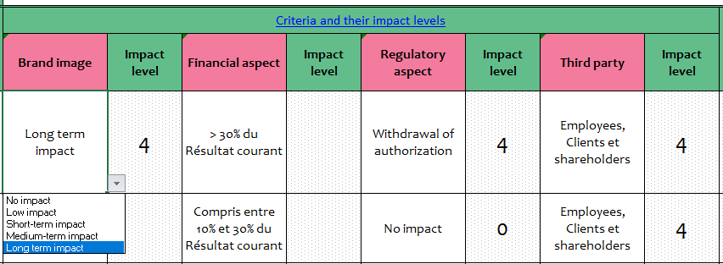
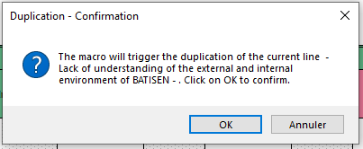
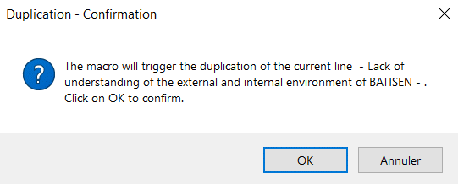
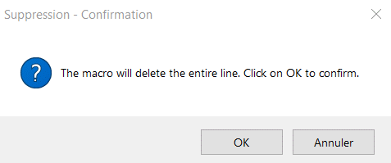
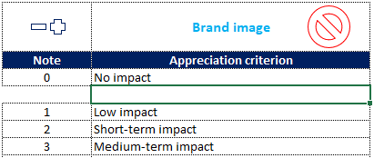
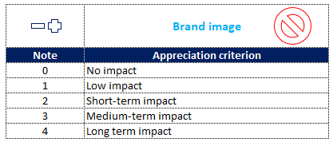
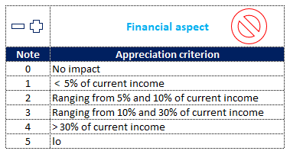
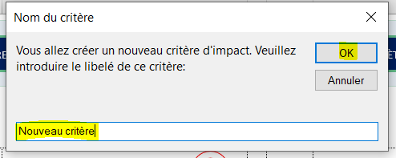
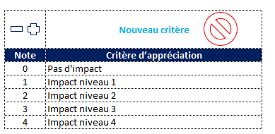
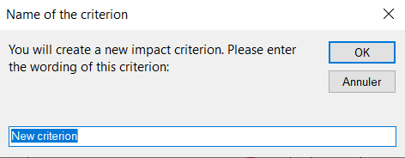
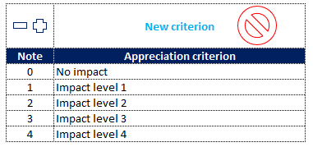
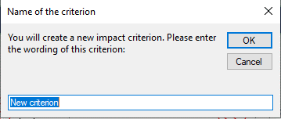
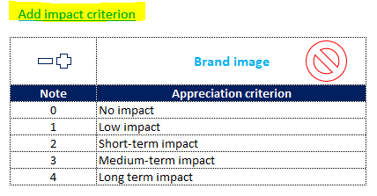
Risk register
Project :
Creation date | 2022-09-22
Updated date : | 2022-10-05

User guide
Template goal:
This file will help you map the risks of your processes, evaluate their criticality in order to define appropriate responses to them.
Important
Be careful not to modify anything on the "Dashboard" sheet for the proper functioning of the file.
Enabling macros :
To make sure the template is working properly, check that the macros are activated
Unlocking macros:
If a red message appears at the top of the file, do the following to unlock the macros:
To do this, right-click on the file before opening it, choose Properties, and then enable the Unblock checkbox under the General tab.
How to use the template
1. Filling data
Start by filling out the "Risk Register" sheet as follows:
Updated date: Choose the appropriate date. This will be automatically updated on this sheet:
Process: The process being analyzed
Associated risks: The risks identified and associated with each process
Criteria and their impact levels: Name your own criteria in the settings sheet and choose them from the drop-down lists in your risk register.
The impact levels will be systematically displayed in your risk register according to the chosen impact assessment criteria
Average impact levels: This is calculated automatically by making a simple average of the impact levels
Frequency: Choose the level of frequency or likelihood of occurrence of the risk from the drop-down list (Low, Medium, Regular, Very common).
Impact code: The impact code is automatically filled in according to the "Impact level average"
For example, if the average is equal to or slightly higher than 2, the impact code displayed will be B
Frequency code: the frequency code is systematically assigned for each risk, according to the chosen frequency level (Low, Medium, ...)
Risk assessment: The criticality level is obtained systematically by multiplying the frequency and impact levels :
Criticality level = Impact * Frequency. Example : Impact (A) x Frequency (B) = AB.
A criticality score is obtained for each criticality level (see risk assessment table in the Settings sheet)
Action plan: Choose from the drop-down list the response to the risk (Accept, Mitigate, Eliminate, Transfer), then enter the purpose of the action (What), the person responsible for the action (Who), and the timeframe for execution (When)
Status: Choose from the drop-down list the status of the project (Done, Ongoing, not started)
Monitoring method: Describe the monitoring method for each identified risk
Efficiency: Check "Effective" or "Not Effective" by clicking on the (✓) or (X) sign
Observations: Note your comments and observations
2. Data analysis in the dashboard
The dashboard gives you a synthetic view on the risks ventilation according to their criticality levels, as well as the response actions and their progress.
Template customization:
You can modify any label/criterion in the "settings" sheet
1. Change of labels
To change one of the following labels:
* Impact criteria: brand image, regulatory aspect...
* Criticality: Non significant, mild, high, critical
* Response to risks : Accept, mitigate...
* Frequency code: A, B, C, D...
* Impact code : A, B, C, D...
Go to the settings, and change the desired label:
2. Adding lines:
In column D of the Risk Register sheet, it is possible to duplicate a row within the register by selecting the cell in column D (on top of the row to be duplicated) and clicking on the (+) sign:
* Deleting lines:
Deleting a line can be done in the same way, but this time by clicking on the (-) sign
* Modification/addition/deletion of coefficients (impact, frequency, criticality) :
The coefficients (weights) of the risks can be set in the settings sheet
1. Impact : Coefficients range from 0 for "No impact" to 4 for "Significant impact
To add a new coefficient between existing rows, Click on the cell above which you want to create the new cell, then click on the (+) sign:
You can also add a new coefficient just below the table, by directly editing the cell :
To delete a cell, click on the cell to be deleted, then click on the (-) sign:
To add a new impact criterion: click on "add impact criterion", then give it a label:
To delete an impact criterion, simply click on the delete sign:
Impact code: likewise, you can add or delete an impact code
2. Frequency: The coefficients vary from A for "Low" to D for "Very common".
Adding and deleting works as described for the criteria and impact levels
3. Risk assessment: Criticality = "impact code" X "frequency code":
Example: Impact code (A) and frequency code (B) = Criticality (AB = Mild)
For each combination (AA, AB, AC...) you can name the corresponding criticality level on a scale from 1 to 4 or more.
4. Response to risk: You can add or delete a response by using the add (+) and delete (-) signs

See more details

Risk register
Risk register
Dashboard
Settings
Menu
RISK REGISTER

Risk Mapping
Updated date :
Process | Related risks | Criteria and their impact levels |  |  |  |  |  |  |  | Impact level average | Impact code | Frequency | Frequency code | Risk assessment |  | Action plan |  |  |  | Status | Monitoring method | Efficiency |  | Observations
 |  | Brand image | Impact level | Financial aspect | Impact level | Regulatory aspect | Impact level | Third party | Impact level |  |  |  |  | Criticality | Note | Response to risks | What | Who | When |  |  | Efficient | Not efficient
STRATEGIC STEERING | Lack of understanding of the external and internal environment of BATISEN | Long term impact | 4 | Ranging from 10% and 30% of current income | 3 | Administrative penalty | 1 | Employees | 1 | 2.25 | B | Very common | D | Critical | 4 | Accept | Mise en œuvre des actions issues de l'analyse des enjeux et surveillance des enjeux internes et externes | DG | 1-Jul-21 | Done | Revue de direction
 | Poorly defined goals | Short-term impact | 2 | < 5% of current income | 1 | No impact | 0 | Employees, Clients et shareholders | 4 | 1.75 | A | Medium | B | Mild | 2 | Accept | S'assurer que les objectifs sont définis de façon cohérente avec la stratégie de BATISEN | DG | Immédiat | Ongoing | Suivi du tableau de cohérence des objectifs aux axes stratégiques
 | Lack of process monitoring | Long term impact | 4 | Ranging from 10% and 30% of current income | 3 | Civil Conviction | 2 | Employees, Clients et shareholders | 4 | 3.25 | C | Low | A | High | 3 | Accept | Suivre de façon régulière les processus à travers les revues de processus, les remontées de NC et les relevés d'indicateurs de performance | DG/RQSE | Mensuel | Not started | revue de processus & audit interne
 | Results not achieved | Long term impact | 4 | Ranging from 10% and 30% of current income | 3 | No impact | 0 | Employees, Clients et shareholders | 4 | 2.75 | B | Medium | B | High | 3 | Transfer | Mise en place et suivi des indicateurs de performance via un tableau de bord mensuel afin de détecter de façon proactive les pertes de maîtrise et de les corriger très tôt | DG | Mensuel | Not started | Suivi des indicateurs performance
 | Insufficient capital | Long term impact | 4 | Ranging from 10% and 30% of current income | 3 | No impact | 0 | Employees, Clients et shareholders | 4 | 2.75 | B | Low | A | Mild | 2 | Accept | établir de nouveaux partenariats bancaires et/ou consolider les existants | DG/DFC | 30-Sep-21 |  | Nouveaux partenariats signés Disponibilité de capitaux
 | Unreliable data | Long term impact | 4 | Compris entre 5% et 10% du Résultat courant |  | Administrative penalty | 1 | Employees, Clients et shareholders | 4 | 3.00 | C | Medium | B | High | 3 | Accept | Vérification des données par le contrôle de gestion | DFC/CG
 | Debt | Long term impact | 4 | Compris entre 10% et 30% du Résultat courant |  | Civil Conviction | 2 | Employees, Clients et shareholders | 4 | 3.33 | C | Regular | C | Critical | 4 | Eliminate | Utiliser des lignes de crédit bancaires obtenues pour apurer nos dettes auprès de nos fournisseurs
 | Non effective decisions | Long term impact | 4 | Compris entre 5% et 10% du Résultat courant |  | No impact | 0 | Employees, Clients et shareholders | 4 | 2.67 | B | Low | A | Mild | 2 | Mitigate | Vérifier systématiquement l'efficacité des actions entreprises | DG/RQSE
 | Lack of cash flow monitoring | Long term impact | 4 | Compris entre 5% et 10% du Résultat courant |  | Civil Conviction | 2 | Employees, Clients et shareholders | 4 | 3.33 | C | Low | A | High | 3 | Transfer
 | Tax liabilities | Long term impact | 4 | Ranging from 10% and 30% of current income | 3 | Withdrawal of authorization | 4 | Employees, Clients et shareholders | 4 | 3.75 | C | Regular | C | Critical | 4 | Eliminate | Apurement de la dette fiscale
REAL ESTATE DEVELOPMENT | Delay in marketing the program | Long term impact | 4 | Ranging from 5% and 10% of current income | 2 | No impact | 0 | Employees, Clients et shareholders | 4 | 2.50 | B | Medium | B | High | 3 | Transfer | Communication sur le programme |  |  | Done
 | Delay in program delivery | Long term impact | 4 | No impact | 0 | Civil Conviction | 2 | Employees, Clients et shareholders | 4 | 2.50 | B | Low | A | Mild | 2 | Accept | Mettre à disposition les ressources nécessaires pour finaliser le programme dans les délais |  |  | Done
 | Lack of funding | Short-term impact | 2 | > 30% of current income | 4 | No impact | 0 | Employees, Clients et shareholders | 4 | 2.50 | B | Medium | B | High | 3 | Accept | Chercher des partenaires bancaires sûrs pour financer les programmes immobiliers |  |  | Done
 | Change in the environment | Short-term impact | 2 | Ranging from 10% and 30% of current income | 3 | No impact | 0 | Employees, Clients et shareholders | 4 | 2.25 | B | Medium | B | High | 3 | Accept | Veille marketing et concurrentielle |  |  | Done
 | Political context | Short-term impact | 2 | Compris entre 5% et 10% du Résultat courant |  | No impact | 0 | Employees, Clients et shareholders | 4 | 2.00 | B | Low | A | Mild | 2 | Accept |  |  |  | Done
PURCHASES | Poorly defined goals | Medium-term impact | 3 | Ranging from 5% and 10% of current income | 2 | No impact | 0 | Employees, Clients et shareholders | 4 | 2.25 | B | Low | A | Mild | 2 | Accept | Faire approuver les D.A systématiquement par le directeur de l'entité demandeur ou le supérieur hiérarchique |  |  | Done
 | Bias in suppliers selection process | Long term impact | 4 | Ranging from 5% and 10% of current income | 2 | No impact | 0 | Employees, Clients et shareholders | 4 | 2.50 | B | Low | A | Mild | 2 | Accept | Respect de la procédure de sélection des fournisseurs |  |  | Done
 | Retard de livraison | Short-term impact | 2 | < à 5% du Résultat courant |  | No impact | 0 | Employees, Clients et shareholders | 4 | 2.00 | B | Medium | B | High | 3 | Accept |  |  |  | Done
 | Non-compliant product or service | Long term impact | 4 | Compris entre 5% et 10% du Résultat courant |  | Civil Conviction | 2 | Employees, Clients et shareholders | 4 | 3.33 | C | Low | A | High | 3 | Accept | Réaliser des contrôles à réception des produits ou services S'assurer des références du prestataire |  |  | Done
 | Supplier blocking | Short-term impact | 2 | Compris entre 5% et 10% du Résultat courant |  | No impact | 0 | Employees, Clients et shareholders | 4 | 2.00 | B | Medium | B | High | 3 | Accept | Apurement des dettes auprès des fournisseurs |  |  | Done
 | Damage | Medium-term impact | 3 | Compris entre 5% et 10% du Résultat courant |  | Administrative penalty | 1 | Employees, Clients et shareholders | 4 | 2.67 | B | Low | A | Mild | 2 | Accept | Contrôle à réception des produits |  |  | Done
 | Expired products | Long term impact | 4 | Compris entre 5% et 10% du Résultat courant |  | Administrative penalty | 1 | Employees, Clients et shareholders | 4 | 3.00 | C | Low | A | High | 3 | Accept | Suivi des produits et inventaire |  |  | Done
 | Product breakage | Long term impact | 4 | Compris entre 5% et 10% du Résultat courant |  | No impact | 0 | Employees, Clients et shareholders | 4 | 2.67 | B | Low | A | Mild | 2 | Accept | établir des seuils d'alerte afin de planifier les expressions de besoin |  |  | Done
HUMAN RESOURCES | Unidentified need for skills | Short-term impact | 2 | < à 5% du Résultat courant |  | No impact | 0 | Employees, Clients et shareholders | 4 | 2.00 | B | Low | A | Mild | 2 | Accept | Renseigner systématiquement le fiche expression de besoin en recrutement |  |  | Done
 | Inadequate or ineffective training | Long term impact | 4 | Compris entre 5% et 10% du Résultat courant |  | No impact | 0 | Employees, Clients et shareholders | 4 | 2.67 | B | Low | A | Mild | 2 | Accept | évaluation des formations à chaud t à froid |  |  | Done
 | Subjective evaluation of staff | Long term impact | 4 | < à 5% du Résultat courant |  | Administrative penalty | 1 | Employees, Clients et shareholders | 4 | 3.00 | C | Medium | B | High | 3 | Accept | Evaluer le personnel suivant des critères objectifs sélectionnés au préalable |  |  | Done
 | Unmotivated staff | Long term impact | 4 | Compris entre 5% et 10% du Résultat courant |  | No impact | 0 | Employees, Clients et shareholders | 4 | 2.67 | B | Medium | B | High | 3 | Accept | Formation du personnel, team building |  |  | Done
 | Error in payroll processing | Long term impact | 4 | < à 5% du Résultat courant |  | Administrative penalty | 1 | Employees, Clients et shareholders | 4 | 3.00 | C | Medium | B | High | 3 | Accept | Système de vérification à deux niveaux des salaires |  |  | Done
 | Failure to meet tax and social security reporting deadlines | Long term impact | 4 | Compris entre 5% et 10% du Résultat courant |  | Administrative penalty | 1 | Employees, Clients et shareholders | 4 | 3.00 | C | Regular | C | Critical | 4 | Accept | Respecter systématiquement les délais de déclaration |  |  | Done
OPERATIONAL STEERING | Poor planning | Short-term impact | 2 | Compris entre 5% et 10% du Résultat courant |  | Administrative penalty | 1 | Employees, Clients et shareholders | 4 | 2.33 | B | Low | A | Mild | 2 | Accept |  |  |  | Done
 | Poorly defined budget | Long term impact | 4 | Compris entre 5% et 10% du Résultat courant |  | No impact | 0 | Employees, Clients et shareholders | 4 | 2.67 | B | Regular | C | High | 3 | Mitigate |  |  |  | Ongoing
 | Non-conforming materials | Long term impact | 4 | Compris entre 10% et 30% du Résultat courant |  | Civil Conviction | 2 | Employees, Clients et shareholders | 4 | 3.33 | C | Low | A | High | 3 | Mitigate |  |  |  | Ongoing
 | Delay in delivery | Long term impact | 4 | < à 5% du Résultat courant |  | Civil Conviction | 2 | Employees, Clients et shareholders | 4 | 3.33 | C | Low | A | High | 3 | Mitigate |  |  |  | Ongoing
 | Customer failure payment | Short-term impact | 2 | Compris entre 5% et 10% du Résultat courant |  | No impact | 0 | Employees, Clients et shareholders | 4 | 2.00 | B | Low | A | Mild | 2 | Mitigate |  |  |  | Ongoing
 | Accident or incident | Long term impact | 4 | < à 5% du Résultat courant |  | Condamnation civile |  | Employees, Clients et shareholders | 4 | 4.00 | D | Low | A | High | 3 | Mitigate |  |  |  | Ongoing
 | Pandemic | Long term impact | 4 | Compris entre 5% et 10% du Résultat courant |  | No impact | 0 | Employees, Clients et shareholders | 4 | 2.67 | B | Low | A | Mild | 2 | Mitigate |  |  |  | Ongoing
 | Stock shortage | Long term impact | 4 | < à 5% du Résultat courant |  | No impact | 0 | Employees, Clients et shareholders | 4 | 2.67 | B | Low | A | Mild | 2 | Mitigate |  |  |  | Ongoing
 | Damage | Medium-term impact | 3 | Compris entre 5% et 10% du Résultat courant |  | Administrative penalty | 1 | Employees, Clients et shareholders | 4 | 2.67 | B | Low | A | Mild | 2 | Mitigate |  |  |  | Not started
INFORMATION SYSTEM | Data loss, corruption of backup media, data restoration problems |  |  |  |  |  |  |  |  |  |  |  |  |  |  |  |  |  |  | Ongoing
 | Non-compliance with procedures |  |  |  |  |  |  |  |  |  |  |  |  |  |  |  |  |  |  | Ongoing
 | Cyber attack |  |  |  |  |  |  |  |  |  |  |  |  |  |  |  |  |  |  | Ongoing
 | Electrical surge and damage to computer equipment |  |  |  |  |  |  |  |  |  |  |  |  |  |  |  |  |  |  | Ongoing
 | No testing of backup records |  |  |  |  |  |  |  |  |  |  |  |  |  |  |  |  |  |  | Ongoing
 | Lack of a business recovery plan |  |  |  |  |  |  |  |  |  |  |  |  |  |  |  |  |  |  | Not started
 | Robbery |  |  |  |  |  |  |  |  |  |  |  |  |  |  |  |  |  |  | Not started
QUALITY MANAGEMENT SYSTEM | Decrease in process performance |  |  |  |  |  |  |  |  |  |  |  |  |  |  |  |  |  |  | Not started
 | Accidents |  |  |  |  |  |  |  |  |  |  |  |  |  |  |  |  |  |  | Not started
 | Lack of LPA |  |  |  |  |  |  |  |  |  |  |  |  |  |  |  |  |  |  | Not started
 | Certification not granted |  |  |  |  |  |  |  |  |  |  |  |  |  |  |  |  |  |  | Not started
 | Delay in the treatment of non-confidences |  |  |  |  |  |  |  |  |  |  |  |  |  |  |  |  |  |  | Not started
 | Use of non-compliant materials |  |  |  |  |  |  |  |  |  |  |  |  |  |  |  |  |  |  | Not started
ACCOUNTING AND FINANCES | Non-conforming entries of operations |  |  |  |  |  |  |  |  |  |  |  |  |  |  |  |  |  |  | Not started
 | Non-compliance with tax obligations |  |  |  |  |  |  |  |  |  |  |  |  |  |  |  |  |  |  | Not started
 | Tax adjustment |  |  |  |  |  |  |  |  |  |  |  |  |  |  |  |  |  |  | Not started
 | Risk of double payment |  |  |  |  |  |  |  |  |  |  |  |  |  |  |  |  |  |  | Not started
 | Cash-flow problems |  |  |  |  |  |  |  |  |  |  |  |  |  |  |  |  |  |  | Not started
DEVELOPMENT | Loss of profit | No impact | 0 | Ranging from 10% and 30% of current income | 3 | No impact | 0 | Shareholders | 2 | 1.25 | A |  |  |  |  | Mitigate |  |  |  | Not started
 | Short lead times for development | No impact | 0 | > 30% du Résultat courant |  | Administrative penalty | 1 | Employees, Clients et shareholders | 4 | 1.67 | A |  |  |  |  | Mitigate |  |  |  | Not started
 | Failure to consider client expectations in development planning |  |  |  |  |  |  |  |  |  |  |  |  |  |  |  |  |  |  | Not started
 | non mobilization of development teams |  |  |  |  |  |  |  |  |  |  |  |  |  |  |  |  |  |  | Not started
 | Lack of verification of development output |  |  |  |  |  |  |  |  |  |  |  |  |  |  |  |  |  |  | Not started
 | Essential features of the project are not defined in the specifications given to subcontractors when the development is outsourced |  |  |  |  |  |  |  |  |  |  |  |  |  |  |  |  |  |  | Not started
 | Lack of verification of continued compliance with requirements following modifications |  |  |  |  |  |  |  |  |  |  |  |  |  |  |  |  |  |  | Not started
TENDER MANAGEMENT | Project under-evaluation |  |  |  |  |  |  |  |  |  |  |  |  |  |  |  |  |  |  | Not started
 | Technical and financial reliability of the submitted offer |  |  |  |  |  |  |  |  |  |  |  |  |  |  |  |  |  |  | Not started
LOGISTICS MANAGEMENT | Lack of quality control of materials |  |  |  |  |  |  |  |  |  |  |  |  |  |  |  |  |  |  | Not started
 | Fragile financial balance |  |  |  |  |  |  |  |  |  |  |  |  |  |  |  |  |  |  | Not started
 | Non compliance of materials |  |  |  |  |  |  |  |  |  |  |  |  |  |  |  |  |  |  | Not started
 | Production shutdown (of both concrete plants) |  |  |  |  |  |  |  |  |  |  |  |  |  |  |  |  |  |  | Not started
 | Poor storage of materials |  |  |  |  |  |  |  |  |  |  |  |  |  |  |  |  |  |  | Not started
 | Accidents/incidents during transport |  |  |  |  |  |  |  |  |  |  |  |  |  |  |  |  |  |  | Not started
 | Deterioration of the rented equipment |  |  |  |  |  |  |  |  |  |  |  |  |  |  |  |  |  |  | Not started
 | Lack of training for operators |  |  |  |  |  |  |  |  |  |  |  |  |  |  |  |  |  |  | Not started
 | Accident on rented equipment |  |  |  |  |  |  |  |  |  |  |  |  |  |  |  |  |  |  | Not started
 | Failure to meet delivery deadlines |  |  |  |  |  |  |  |  |  |  |  |  |  |  |  |  |  |  | Not started
 | Non availability of materials |  |  |  |  |  |  |  |  |  |  |  |  |  |  |  |  |  |  | Not started

Dashboard
Stats by risk
Dashboard
Cross-analysis Response/Status
Risk register
Dashboard
Settings
Menu
 |  |  |  |  | Status
Criticality | Number | Response to risks | Number | Done | Ongoing | Not started
Non significant | #N/A | Accept | 24 | 20 | 1 | 1 | 0 | 0 | 0 | 0 | 0 | 0 | 0
Mild | 16 | Mitigate | 11 | 0 | 7 | 3 | 0 | 0 | 0 | 0 | 0 | 0 | 0
High | 18 | Eliminate | 2 | 0 | 0 | 0 | 0 | 0 | 0 | 0 | 0 | 0 | 0
Critical | 4 | Transfer | 3 | 1 | 0 | 1 | 0 | 0 | 0 | 0 | 0 | 0 | 0
 | #N/A |  | 0 | 0 | 0 | 0 | 0 | 0 | 0 | 0 | 0 | 0 | 0
 | #N/A |  | 0 | 0 | 0 | 0 | 0 | 0 | 0 | 0 | 0 | 0 | 0
 | #N/A |  | 0 | 0 | 0 | 0 | 0 | 0 | 0 | 0 | 0 | 0 | 0
 | #N/A |  | 0 | 0 | 0 | 0 | 0 | 0 | 0 | 0 | 0 | 0 | 0
 | #N/A |  | 0 | 0 | 0 | 0 | 0 | 0 | 0 | 0 | 0 | 0 | 0
 | #N/A |  | 0 | 0 | 0 | 0 | 0 | 0 | 0 | 0 | 0 | 0 | 0
Total | 38 | Total | 40 | 21 | 8 | 5 | 0 | 0 | 0 | 0 | 0 | 0 | 0

Criticality
 | Criticality
Non significant | #N/A
Mild | 16
High | 18
Critical | 4
 | Response to risks
Accept | 24
Mitigate | 11
Eliminate | 2
Transfer | 3
 | Status
Done | 21
Ongoing | 8
Not started | 5

Settings
Settings
Risk register
Dashboard
Settings
Menu

Add impact criterion
The criteria for assessing the risks impact
 | Brand image |  | Financial aspect |  | Regulatory aspect |  | Third party
Note | Appreciation criterion | Note | Appreciation criterion | Note | Appreciation criterion | Note | Appreciation criterion
0 | No impact | 0 | No impact | 0 | No impact | 0 | No impact
1 | Low impact | 1 | < 5% of current income | 1 | Administrative penalty | 1 | Employees
2 | Short-term impact | 2 | Ranging from 5% and 10% of current income | 2 | Civil Conviction | 2 | Shareholders
3 | Medium-term impact | 3 | Ranging from 10% and 30% of current income | 3 | Criminal conviction | 3 | Clients
4 | Long term impact | 4 | > 30% of current income | 4 | Withdrawal of authorization | 4 | Employees, Clients et shareholders

Add frequency
Delete une fréquence
Risk assessment ( Impact*Frequency=Criticality )

Risque frequency
(Likelihood of occurrence)
Frequency | Code |  | Description | Code | Criticality (Impact*Frequency) |  | Criticality
Low | A |  | 1 fois tous les 5-10ans | AA | Non significant |  | 1
Medium | B |  | 1 fois par an | AB | Mild |  | 2
Regular | C |  | 1 fois par mois | AC | High |  | 3
Very common | D |  | 1 par semaine | AD | High |  | 3
 |  |  |  | BA | Mild |  | 2
 |  |  |  | BB | High |  | 3
 |  |  |  | BC | High |  | 3
 |  |  |  | BD | Critical |  | 4
 |  |  |  | CA | High |  | 3
Add impact code
Delete impact code
 |  |  |  | CB | High |  | 3
 |  |  |  | CC | Critical |  | 4
Impact code
Weight > | Impact category |  | Code | CD | Critical |  | 4
1 | Low or insignificant |  | A | DA | High |  | 3
2 | Significant or relatively severe |  | B | DB | Critical |  | 4
3 | Critical or very severe |  | C | DC | Critical |  | 4
4 | Strategic or unacceptable |  | D | DD | Critical |  | 4

Reponse to risks
 | Accept
 | Mitigate
 | Eliminate
 | Transfer

Status of response to risks
 | Done
 | Ongoing
 | Not started

 |  |  |  |  | 3

